Sheet1
 |  | Jan | sys | no sys
 |  | export | 110.03 | 0 |  |  | Electricity load | (kWh/mo) | Electricity to/from grid | (kWh/mo) | System energy (AC) | (kWh)
 |  | usage | 55.43 | 375.09 |  |  | 375.09 | 54.5987 | 429.688
 |  |  | 54.6 |  |  |  | 331.33 | 145.486 | 476.814
 | days | Tier 1 (kWh) | Tier 2 (kWh) | Tier 3 (kWh) | Tier 4 (kWh) | Tier 5 (kWh) | 334.217 | 252.776 | 586.991
Jan | 31 | 328.6 | 427.18 | 657.2 | 985.8 |  | 369.364 | 299.754 | 669.116
Jun | 30 | 261 | 339.3 | 522 | 783 |  | 479.389 | 231.579 | 710.966
Jan | kWh daily | 10.6 | 13.78 | 21.2 | 31.8 |  | 692.692 | -31.0032 | 661.686
Jun | kWh daily | 8.7 | 11.31 | 17.4 | 26.1 |  | 842.232 | -181.954 | 660.276
Jan tier total |  | 328.6 | 98.58 | 230.02 | 328.6 |  | 772.629 | -128.417 | 644.21
Jun tier total |  | 261 | 78.3 | 182.7 | 261 |  | 621.741 | -29.006 | 592.733
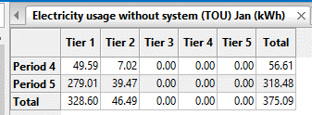
 |  |  |  |  |  |  | 499.867 | 67.4186 | 567.283
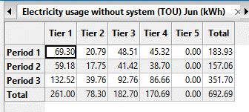
 |  |  |  |  |  |  | 324.815 | 124.152 | 448.965
 |  |  |  |  |  |  | 376.535 | 31.3613 | 407.894

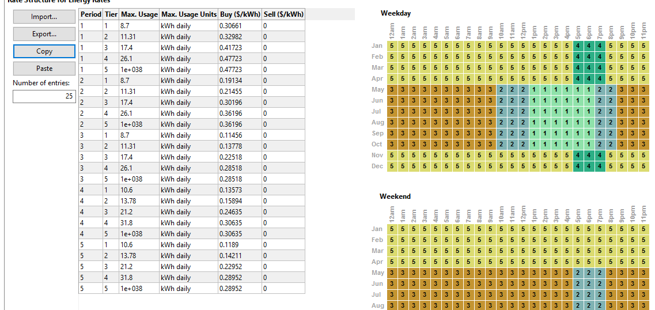

 |  |  |  | 25
 |  |  |  | 12
 |  |  |  | 300

